INIZIALE
Ermenegildo Zegna

YOUR PRICE |  | € 68.00

REF. | Collection Descrip. | FABRIC. | MODEL | DROP/COLOR | Color | Art-par-col. | Custom Tariff | BARCODE | Composition | Color descrip. | Product tipology | Size cm. | Q.TY | PHOTO
E.Z.-006 | ZEGNA SARTORIA SCIARPA | Z4G55 | 2XD | BL1 | 422 | Z4G55_2XD_BL1_422 | 62144000 | 9181002-043453 | .: 100% LANA | | BLUE SOLID | SCARF | 24 x 175 | 29
E.Z.-009 | ZEGNA SARTORIA SCIARPA | Z4G55 | 2XD | GR2 | 32 | Z4G55_2XD_GR2_32 | 62144000 | 9181002-045709 | .: 100% LANA | | GREY SOLID | SCARF | 24 x 175 | 45
E.Z.-010 | ZEGNA SARTORIA SCIARPA | Z4G55 | 2XD | RE1 | 602 | Z4G55_2XD_RE1_602 | 62144000 | 9181002-046904 | .: 100% LANA | | DARK RED SOLID | SCARF | 24 x 175 | 3 | 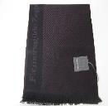
E.Z.-011 | ZEGNA SARTORIA SCIARPA | Z4G50 | 2L6 | BL1 | 412 | Z4G50_2L6_BL1_412 | 62142000 | 9182004-119641 | .: 100% LANA | | BLUE NAVY SOLID | SCARF | 24 x 175 | 26 | 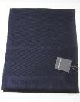
E.Z.-015 | ZEGNA SARTORIA SCIARPA | Z4G52 | 2L6 | BL1 | 418 | Z4G52_2L6_BL1_418 | 62142000 | 9182004-117319 | .: 100% LANA | | BLUE NAVY FANTASY | SCARF | 24 x 175 | 41
E.Z.-018 | ZEGNA SARTORIA SCIARPA | Z4G56 | 2L6 | BL2 | 412 | Z4G56_2L6_BL2_412 | 62144000 | 9182004-115506 | .: 100% LANA | | BLUE NAVY SOLID | SCARF | 24 x 175 | 51
E.Z.-021 | ZEGNA SARTORIA SCIARPA | Z4G56 | 2L6 | RE1 | 612 | Z4G56_2L6_RE1_612 | 62144000 | 9182003-310681 | .: 100% LANA | | RED SOLID | SCARF | 24 x 175 | 11 | 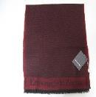
E.Z.-022 | ZEGNA SARTORIA SCIARPA | Z6G42 | 2L6 | BK1 | 004 | Z6G42_2L6_BK1_004 | 62142000 | 321718115016 | 100%WO | NERO RIGATO | SCARF |  | 100 | 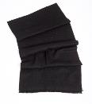
E.Z.-023 | ZEGNA SARTORIA SCIARPA | Z6G40 | 2L6 | BR1 | 212 | Z6G40_2L6_BR1_212 | 62142000 | 321718103013 | 100%WO | MARRONE MEDIO UNI | SCARF |  | 43 | 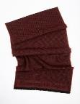
E.Z.-024 | ZEGNA SARTORIA SCIARPA | Z6G40 | 2L6 | BL1 | 412 | Z6G40_2L6_BL1_412 | 62142000 | 321718101019 | 100%WO | BLUE NAVY UNITO | SCARF |  | 99 | 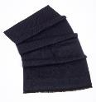
E.Z.-025 | ZEGNA SARTORIA SCIARPA | Z6G40 | 2L6 | GR1 | 032 | Z6G40_2L6_GR1_032 | 62142000 | 321718105017 | 100%WO | GRIGIO MEDIO UNIT | SCARF |  | 99 | 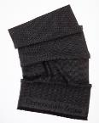
E.Z.-026 | ZEGNA SARTORIA SCIARPA | Z6G40 | 2L6 | BK1 | TBD | Z6G40_2L6_BK1_TBD | 62142000 | 321718099019 | 100%WO | TBD TO BE DEFINED | SCARF |  | 98 | 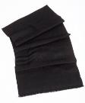
E.Z.-027 | ZEGNA SARTORIA SCIARPA | Z6G41 | 2L6 | BR1 | 212 | Z6G41_2L6_BR1_212 | 62142000 | 321718111018 | 100%WO | MARRONE MEDIO UNI | SCARF |  | 50 | 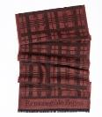
E.Z.-028 | ZEGNA SARTORIA SCIARPA | Z6G41 | 2L6 | BL1 | 412 | Z6G41_2L6_BL1_412 | 62142000 | 321718109015 | 100%WO | BLUE NAVY UNITO | SCARF |  | 100 | 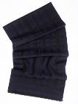
E.Z.-029 | ZEGNA SARTORIA SCIARPA | Z6G41 | 2L6 | GR1 | 032 | Z6G41_2L6_GR1_032 | 62142000 | 321718113012 | 100%WO | GRIGIO MEDIO UNIT | SCARF |  | 100 | 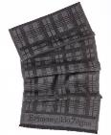
E.Z.-030 | ZEGNA SARTORIA SCIARPA | Z6G41 | 2L6 | BK1 | 001 | Z6G41_2L6_BK1_001 | 62142000 | 321718107011 | 100%WO | NERO UNITO | SCARF |  | 97 | 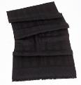
E.Z.-031 | ZEGNA SARTORIA SCIARPA | Z6G42 | 2L6 | BL1 | 414 | Z6G42_2L6_BL1_414 | 62142000 | 321718117010 | 100%WO | BLUE NAVY RIGATO | SCARF |  | 98 | 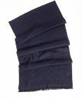
E.Z.-032 | ZEGNA SARTORIA SCIARPA | Z6G42 | 2L6 | GR1 | 034 | Z6G42_2L6_GR1_034 | 62142000 | 321718121017 | 100%WO | GRIGIO MEDIO RIGA | SCARF |  | 99 | 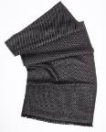
E.Z.-033 | ZEGNA SARTORIA SCIARPA | Z6G42 | 2L6 | BR1 | 214 | Z6G42_2L6_BR1_214 | 62142000 | 321718119014 | 100%WO | MARRONE MEDIO RIG | SCARF |  | 50 | 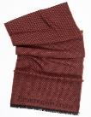
 |  |  |  |  |  |  |  |  |  |  |  |  | 1,239

